Sheet1
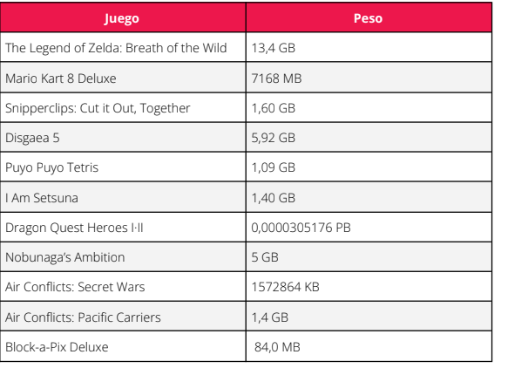
0.084 | Block-a-Pix Deluxe
0.33 | Istanbul: Digital Edition
0.458 | Gems of War
1.09 | Puto Puto
1.4 | Air conflicts: Pacific Carriers
1.4 | I Am Setsuna
1.572864 | Air conflicts: Secret Wars
1.6 | Snipperclips
1.7 | Inferno Climber: Reborn
3.3 | Cuphead
5 | Nobunaga's Ambition
5.92 | Disgaea 5
7.168 | Mario Kart 8
 |  | 13.4 | The Legend of Zelda
 |  | 30.5176 | Dragon Quest Heroes I II
31.022864

